BOM
Item | Part Number | Thumbnail | BOM Structure | Unit QTY | QTY | Stock Number | Description | REV
1 | 23HS8430B | 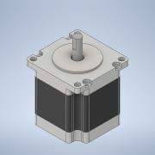 | Normal | Each | 1
2 | 2804S_NEMA2115_1Gearbox | 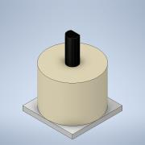 | Normal | Each | 1
3 | Main | 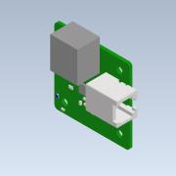 | Normal | Each | 1 |  | Open CASCADE Model
4 | 20-4040_2m | 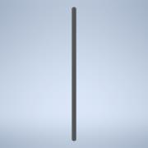 | Normal | Each | 1
5 | NEMA23_Shroud | 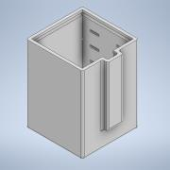 | Normal | Each | 1
6 | 98952A059_ALUM MALE-FEM THRDED HEX STANDOFF | 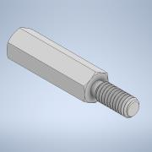 | Normal | Each | 8 |  | STEP AP203 | ANY
7 | 95783A039_NYLON 6-6 MALE-FEM THRDED HEX STANDOFF | 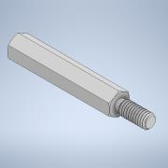 | Normal | Each | 4 |  | STEP AP203 | ANY
8 | HFS5-4060-2125 | 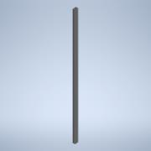 | Purchased | Each | 1 |  | HFS5-2060, HFS5-2080, HFS5-4060, HFS5-4080, NFS5-2060, NFS5-2080, NFS5-4060, NFS5-4080-HFS5 Series Aluminum Extrusions 20mm Square -3 or more slots-
9 | Integrated_Stepper_NEMA23_Mount | 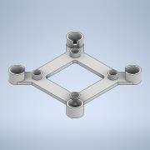 | Normal | Each | 1
10 | 20-2568_d | 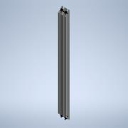 | Purchased | Each | 1 |  | 20-2565, 20-2070, 20-2075, 20-2566, 20-2567, 20-2568, 20-2565-Black, 20-2070-Black, 20-2075-Black, 20-2566-Black, 20-2567-Black, 20-2568-Black_d-20 Series 45 degree support dummy table
11 | 5mm_bore_10mm_width_idlepulley | 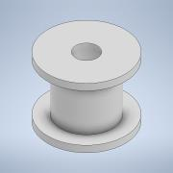 | Normal | Each | 1
12 | Tape_Belt_Layer | 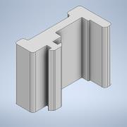 | Normal | Each | 1
13 | SDP_sdpsi_a_6a55m028df0912 | 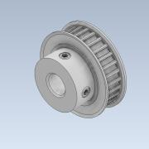 | Normal | Each | 1 |  |  | 10LAST_VERSION
14 | SDP_sdpsi_a_6r25mc1000 | 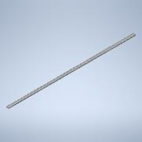 | Normal | Each | 2 |  |  | 3LAST_VERSION
15 | Carriage_Assembly | 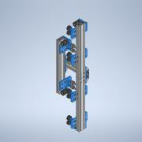 | Normal | Each | 1
16 | NEMA23_StepperonlineMount | 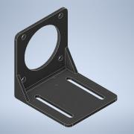 | Normal | Each | 1
17 | 59145_Sensor | 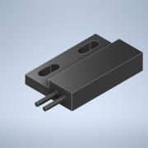 | Normal | Each | 1
18 | RightAngle_SideBracket | 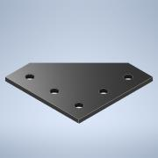 | Normal | Each | 4
19 | Cable_Guide_Holder | 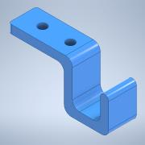 | Normal | Each | 6
20 | RightAngle_PulleySupport | 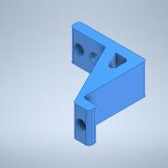 | Normal | Each | 1
21 | MagnetHolder | 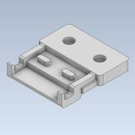 | Normal | Each | 1
22 | MagnetActuatorHolder | 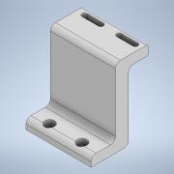 | Normal | Each | 1
23 | 59145_Actuator | 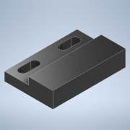 | Normal | Each | 1
24 | Bottom_Foot_Assembly | 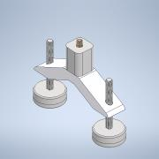 | Normal | Each | 3
25 | Bolt M5 8mm | 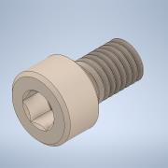 | Normal | Each | 18
26 | Bolt M5 12mm | 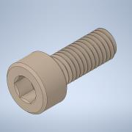 | Normal | Each | 8
27 | Bolt M5 25mm | 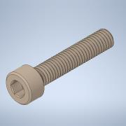 | Normal | Each | 1
28 | Bolt M4 10mm | 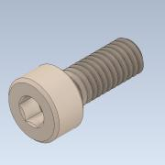 | Normal | Each | 4
29 | RightAngle_Bracket_60mm | 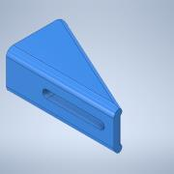 | Normal | Each | 2
30 | Bolt M5 10mm | 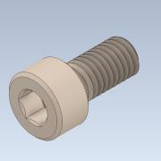 | Normal | Each | 4
31 | DIN 508, T-Slot Nut M5 | 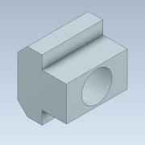 | Normal | Each | 19
32 | Nut M5 | 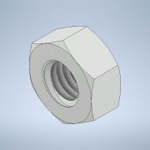 | Normal | Each | 1

